Page 1
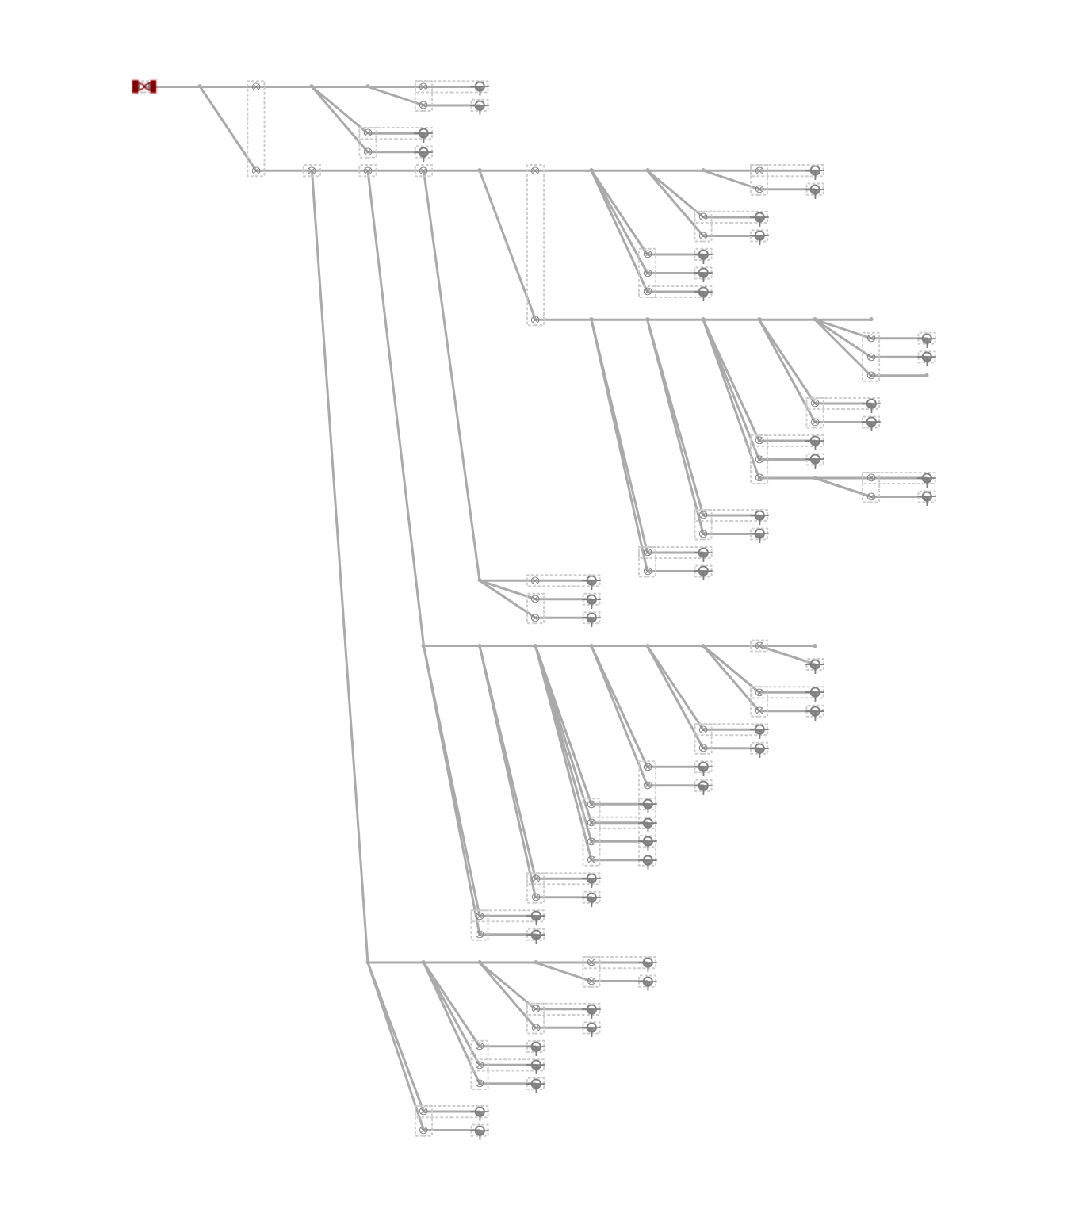
Trace Report
Fiber Panel: PFP-DISTRIBUTION3802PA-03 PFP Dist Pnl 432
Design: PSA-3802PA-BRVLMNYF-CHARLIE
Date: 10/7/2024

